EN
Operating Data Preview 1Q26
Madrid, April 17th, 2026

Key Highlights
In 1Q26, EDPR generation increased by +3% YoY to 11.3 TWh, supported by 20.5 GW installed capacity and strong resource at >100% in North America and Europe.
Over the last 12 months, gross capacity additions amounted to +2.0 GW, of which 1.1 GW in North America (53%) and 0.7 GW in Europe (35%), together contributing with 87%. With regards to technology, 1.0 GW were solar (50%), 0.6 GW wind onshore (27%), 0.3 GW BESS (17%) and 0.1 GW wind offshore (6%). While asset rotation amounted to -0.9 GW, about half of the capacity added, resulting in +1.2 GW YoY change in installed capacity.
EDPR closed the sale of 150 MW wind portfolio in Greece, as conditions precedent were met in December 2025, capacity deconsolidation and asset rotation gains were already accounted in 4Q25, while asset rotation proceeds will be accounted in 1Q26. In 2026, Asset Rotation execution will be mostly concentrated in 2H26.
As of Mar-26, capacity under construction totalled 1.9 GW (+0.3 GW vs. Dec-25), supporting deployment scheduled for 2026 and beyond. More than 90% of ~1.5 GW target additions are already installed (0.1 GW) or under construction. By technology, capacity under construction includes 0.8 GW of solar and 0.5 GW of BESS, with a higher contribution from the US, 0.3 GW of wind onshore, primarily concentrated in Europe, and 0.4 GW of wind offshore, related to Ocean Winds' projects in France and Poland. Additionally, EDPR secured 0.4 GW of solar projects in the US.
During this quarter, renewables’ resources vs. long term average Gross Capacity Factor, stood at 100% in 1Q26 (-1% YoY vs. 101% in 1Q25), mainly higher in Europe (+3%), North America (+1%) and APAC (+1%) while South America was lower, mostly in Brazil (-16%).
Electricity generation increased +0.4 TWh, with solar contributing with the majority and already representing 20% of total generation, while wind continues to be the primary source (80%). By region, North America and Europe represent 59% and 29% of total generation, respectively. Generation increased +2% YoY in North America, mainly driven by new additions, rose +5% YoY in Europe, on the back of stronger resources, in particular from successive storm events in Iberia. While partly mitigated by curtailment, this tailwind more than compensated the -0.1 GW net capacity impact of additions and asset rotations. In South America, remained flat YoY, underpinned by weaker resource offsetting additions, while in APAC grew +24% YoY, from additions and stronger resource, respectively representing 8% and 4% of total generation.
EDPR's 1Q26 results will be released on May 6th, 2026. A conference call will take place on the same day at 16:30 CET | 15:30 UK/Lisbon.

Installed Capacity |  |  |  |  |  | Installed Capacity by Region
(1)
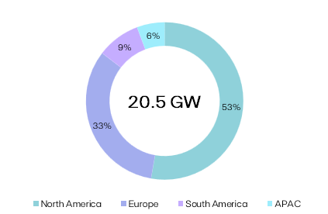
EBITDA + Eq. MW | 1Q26 | 1Q25 | Additions | AR/Decom. | YoY
North America | 10,810 | 9,764 | +1,077 | (31) | +1,046
Europe | 6,682 | 6,814 | +710 | (841) | (132)
South America | 1,826 | 1,702 | +124 | - | +124
APAC | 1,166 | 1,051 | +137 | (22) | +115
EDPR | 20,485 | 19,331 | +2,048 | (894) | +1,153
Onshore Wind | 13,133 | 12,877 | +558 | (301) | +256
Solar Utility Scale | 5,023 | 4,672 | +881 | (531) | +351
Solar DG | 1,039 | 916 | +145 | (22) | +123
BESS | 550 | 207 | +344 | - | +344
Offshore Wind | 740 | 660 | +121 | (41) | +80

Electricity Generation |  |  |  | YoY

GWh |  | 1Q26 | 1Q25 | GWh | %
Onshore Wind |  | 8,988 | 8,970 | +18 | +0.2%
North America |  | 5,263 | 5,338 | (75) | (1%) | Generation by Region and Technology
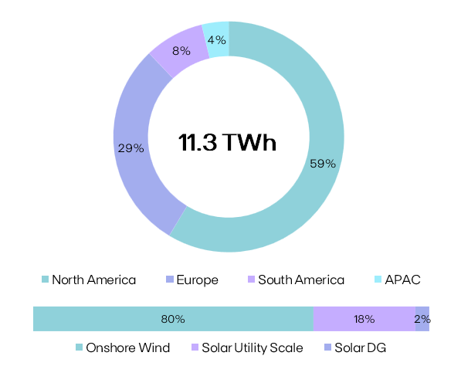
Spain |  | 1,297 | 1,229 | +68 | +6%
Portugal |  | 950 | 823 | +127 | +15%
Rest of Europe |  | 877 | 937 | (60) | (6%)
Europe |  | 3,125 | 2,989 | +135 | +5%
South America |  | 601 | 643 | (42) | (7%)
Solar Utility Scale |  | 2,033 | 1,728 | +305 | +18%
North America |  | 1,294 | 1,095 | +198 | +18%
Europe |  | 183 | 158 | +25 | +16%
South America |  | 341 | 304 | +38 | +12%
APAC |  | 215 | 171 | +44 | +26%
Solar DG |  | 278 | 227 | +51 | +22%
North America |  | 67 | 54 | +12 | +23%
APAC |  | 211 | 173 | +38 | +22%
EDPR |  | 11,299 | 10,925 | +374 | +3%
North America |  | 6,623 | 6,488 | +136 | +2%
Europe |  | 3,307 | 3,147 | +160 | +5%
South America |  | 942 | 946 | (4) | (0.5%)
APAC |  | 426 | 344 | +82 | +24%

Load Factor |  |  |  |  |  | NCF (%) |  | vs. P50 GCF (%)
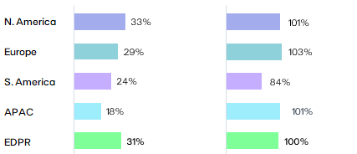
NCF (%) |  |  | 1Q26 | 1Q25 | YoY
Onshore Wind |  |  | 34% | 35% | -1pp
North America |  |  | 37% | 39% | -2pp
Spain |  |  | 30% | 29% | +1pp
Portugal |  |  | 38% | 33% | +4pp
Rest of Europe |  |  | 26% | 27% | -1pp
Europe |  |  | 31% | 29% | +1pp
South America |  |  | 24% | 34% | -10pp
Solar Utility Scale |  |  | 21% | 20% | +1pp
Solar DG |  |  | 14% | 12% | +2pp
EDPR |  |  | 31% | 33% | -2pp
North America |  |  | 33% | 37% | -4pp | Renewables Index (vs. P50 Gross Capacity Factor)
Europe |  |  | 29% | 28% | +1pp
South America |  |  | 24% | 30% | -6pp | (%) |  | 1Q26 | 1Q25 | YoY
APAC |  |  | 18% | 16% | +2pp | EDPR |  | 100% | 101% | -2pp

(1) AR/Decom. variation considers the decommisioning of 30 MW in NA, 10 MW in APAC and 1 MW in France.
Note: Solar capacity and solar load factors reported in MWac. BESS: Battery Energy Storage Systems.

 |  |  |  |  |  |  | EDPR Investor Relations |  |  | Phone: +34 900 830 004
EDP Renewables, S.A. | Head office: Plaza del Fresno, 2 - 33007 Oviedo, Spain |  |  |  |  |  |  |  | Site: www.edpr-investors.com |  | Email: ir@edpr.com

Operating Data Preview 1Q26
Madrid, April 17th, 2026

(1)
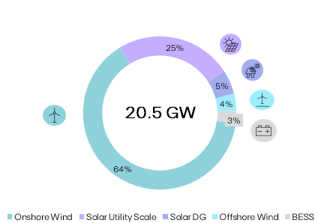
Installed Capacity |  |  |  |  |  | Installed Capacity by Technology
 |  |  | 2026
MW | 1Q26 | Additions | AR/Decom. | YTD | U/C
US | 9,484 | +1 | (0.3) | +1 | 799
Canada & Mexico | 625 | - | - | - | -
North America | 10,109 | +1 | (0.3) | +1 | 799
Spain | 2,161 | +80 | - | +80 | 203
Portugal | 1,426 | - | - | - | 33
Rest of Europe | 2,217 | - | - | - | 413
Europe | 5,804 | +80 | - | +80 | 648
Brazil | 1,743 | - | - | - | -
Chile | 83 | - | - | - | 60
South America | 1,826 | - | - | - | 60
Vietnam | 402 | - | - | - | -
Singapore | 454 | +15 | (2) | +14 | 9
Rest of APAC | 304 | +1 | - | +1 | 39
APAC | 1,161 | +16 | (2) | +15 | 48
EBITDA MW | 18,900 | 97 | (2) | +95 | 1,555
(2)
North America | 701 | - | - | - | -
Spain | 119 | - | (1) | (1) | -
Portugal | 28 | - | - | - | - | Technology |  |  | EBITDA + Equity MW | YoY
Rest of Europe | 732 | - | - | - | 375 | Onshore Wind |  |  | 13,133 | +2%
Europe | 878 | - | (1) | (1) | 375 | Solar Utility Scale |  |  | 5,023 | +8%
APAC | 6 | - | - | - | - | Solar DG |  |  | 1,039 | +13%
Eq. Consolidated | 1,585 | - | (1) | (1) | 375 | Offshore Wind |  |  | 740 | +12%
EDPR | 20,485 | +97 | (3) | +94 | 1,930 | BESS |  |  | 550 | +166%

Onshore Wind |  |  |  |  |  | Capacity Additions YTD
 |  |  | 2026
MW | 1Q26 | Additions | AR/Decom. | YTD | U/C | Project |  | Country |  | MW
US | 6,177 | - | - | - | 103
Canada & Mexico | 425 | - | - | - | -
North America | 6,602 | - | - | - | 103
Spain | 1,987 | - | - | - | 131
Portugal | 1,177 | - | - | - | 33
Rest of Europe | 1,619 | - | - | - | 65
Europe | 4,783 | - | - | - | 228
Brazil | 1,073 | - | - | - | -
Chile | 83 | - | - | - | -
South America | 1,155 | - | - | - | -
EBITDA MW | 12,541 | - | - | - | 331
US & Canada | 454 | - | - | - | -
(2)
North America | 454 | - | - | - | -
Spain | 119 | - | (1) | (1) | -
Portugal | 20 | - | - | - | -
Europe | 138 | - | (1) | (1) | -
Eq. Consolidated | 592 | - | (1) | (1) | -
EDPR | 13,133 | - | (1) | (1) | 331 | Onshore Wind Additions YTD |  |  |  | -

(1)
Solar & BESS |  |  |  |  |  | Capacity Additions YTD
 |  |  | 2026
MW | 1Q26 | Additions | AR/Decom. | YTD | U/C | Project |  | Country |  | MW
US | 3,307 | +1 | (0.3) | +1 | 696 | Cierzo II |  | Spain |  | +38
Canada & Mexico | 200 | - | - | - | - | Cierzo IV |  | Spain |  | +42
North America | 3,507 | +1 | (0.3) | +1 | 696 | Solar DG |  | United States of America |  | +1
Spain | 175 | +80 | - | +80 | 72 | SolarNova 8 |  | Singapore |  | +11
Portugal | 249 | - | - | - | - | Solar DG |  | APAC |  | +5
Rest of Europe | 597 | - | - | - | 348
Europe | 1,021 | +80 | - | +80 | 420
Brazil | 670 | - | - | - | -
Chile | - | - | - | - | 60
South America | 670 | - | - | - | 60
Vietnam | 402 | - | - | - | -
Singapore | 454 | +15 | (2) | +14 | 9
Rest of APAC | 304 | +1 | - | +1 | 39
APAC | 1,161 | +16 | (2) | +15 | 48
EBITDA MW | 6,359 | +97 | (2) | +95 | 1,224
US | 247 | - | - | - | -
North America | 247 | - | - | - | -
APAC | 6 | - | - | - | -
Eq. Consolidated | 253 | - | - | - | -
EDPR | 6,612 | +97 | (2) | +95 | 1,224 | Solar Additions YTD |  |  |  | +97

(1)
(4)
Offshore Wind |  |  |  |  |  | Capacity Additions YTD
 |  |  | 2026
MW | 1Q26 | Additions | AR/Decom. | YTD | U/C | Project |  | Country |  | MW
Portugal | 8 | - | - | - | - | Noirmoutier |  | 0 |  | +0
France & Belgium | 123 | - | - | - | 180
United Kingdom | 609 | - | - | - | -
Poland | - | - | - | - | 195
Europe | 740 | - | - | - | 375
EDPR Eq. Consolidated | 740 | - | - | - | 375 | Offshore Wind Additions YTD |  |  |  | -
Ocean Winds Gross Capacity | 2,744 | - | - | - | 1,004 | Offshore Wind Gross Additions YTD |  |  |  | -

(1) YTD variation considers the decom. of 2 MW in APAC and sale of 0.3 MW in NA. (2) Portfolio equity adjustment
Note: Solar includes Solar Utility Scale + DG and BESS. Solar capacity and solar load factors reported in MWac. |  |  |  |  |  |  | EDPR Investor Relations |  |  | Phone: +34 900 830 004
EDP Renewables, S.A. | Head office: Plaza del Fresno, 2 - 33007 Oviedo, Spain |  |  |  |  |  |  |  | Site: www.edpr-investors.com |  | Email: ir@edpr.com

